Champion
Pallet # | Items | Brand | Count | images
Pallet #1 | Sweat Shirts/Pants | Champion | 175 | 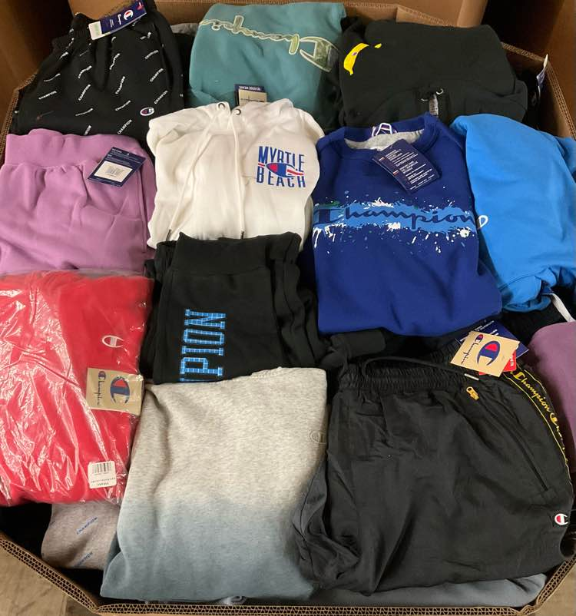
Pallet # 3 Adult | Hoodies, Sweat Shirts/Pants | Champion | 170 | 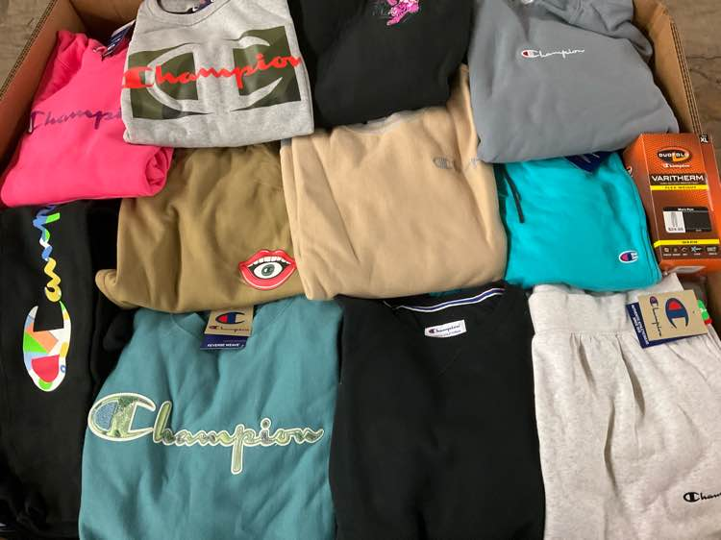
Pallet # 5 adult | Hoodies, Sweat Shirts/Pants | Champion | 150 | 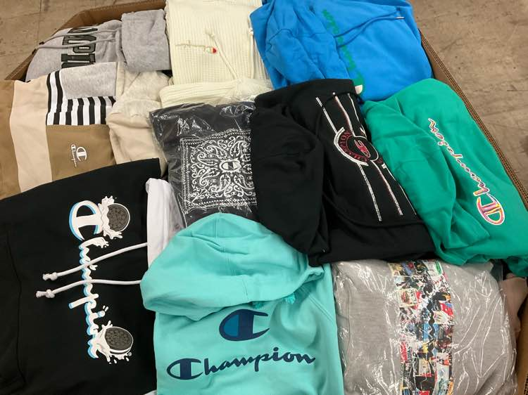
Pallet # 6 | Hoodies, Sweat Shirts/Pants | Champion | 175 | 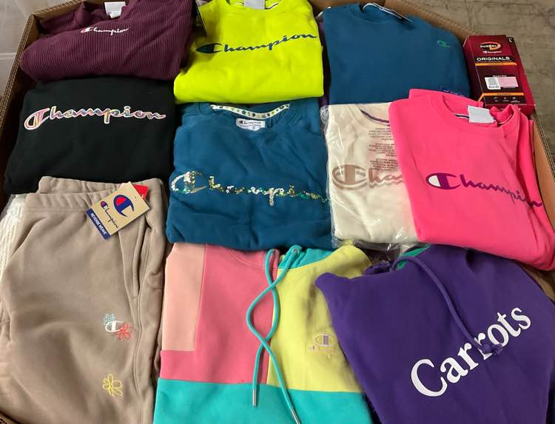
Pallet # 7 | Hoodies, Sweat Shirts/Pants | Champion | 170 | 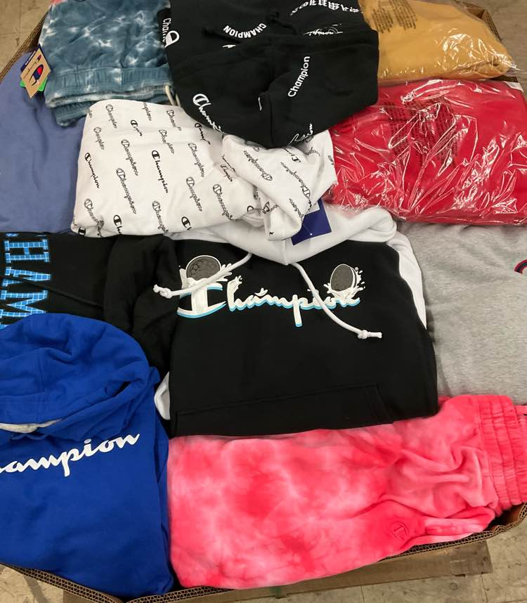
Pallet # 8 | Hoodies, Sweat Shirts/Pants | Champion | 230 | 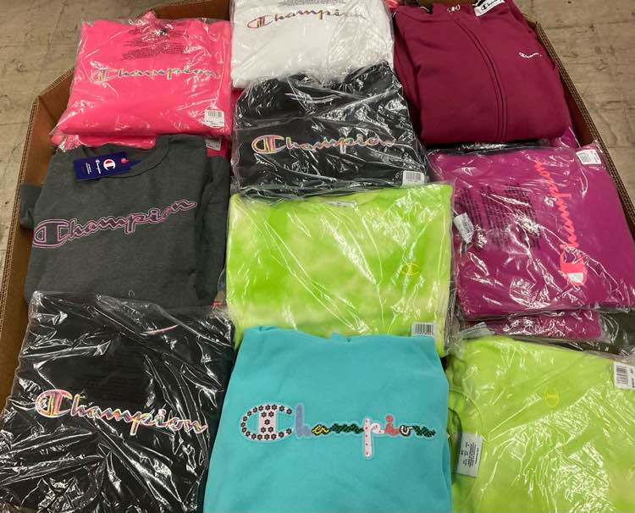
Pallet #9 Adult | Hoodies, Sweat Shirts/Pants | Champion | 170 | 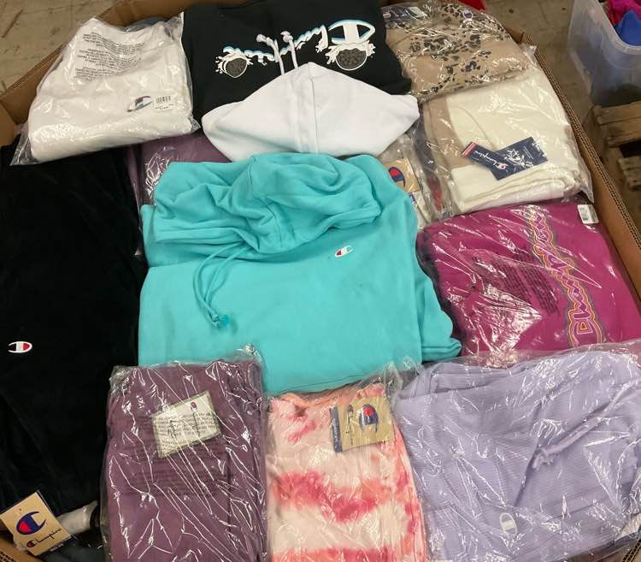
Pallet # 10 | Shirts, Shorts | Champion | 400 | 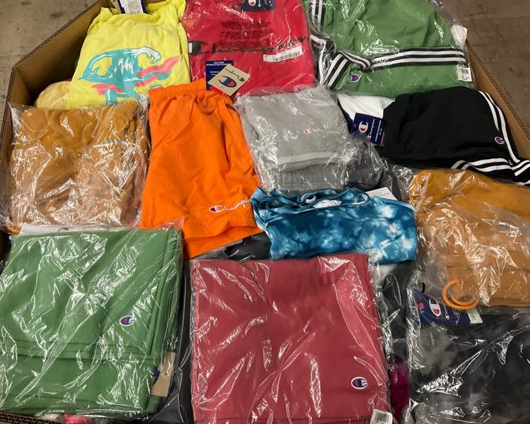
Pallet# 11 | Hoodies, Sweat Shirts/Pants | Champion | 160 | 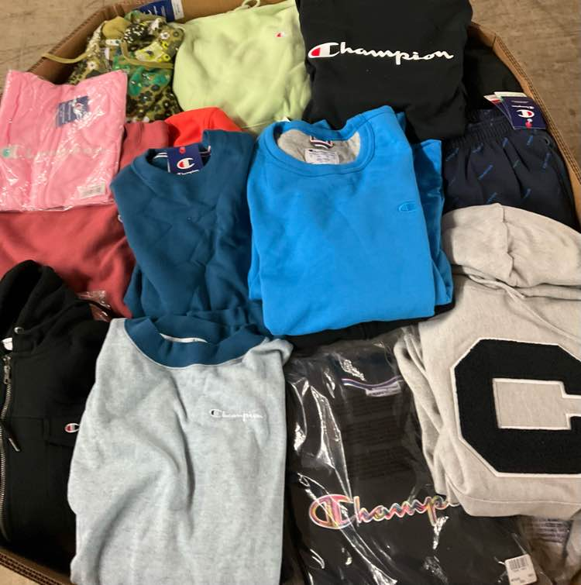
Pallet # 13. Adult | Hoodies, Sweat Shirts/Pants | Champion | 180 | 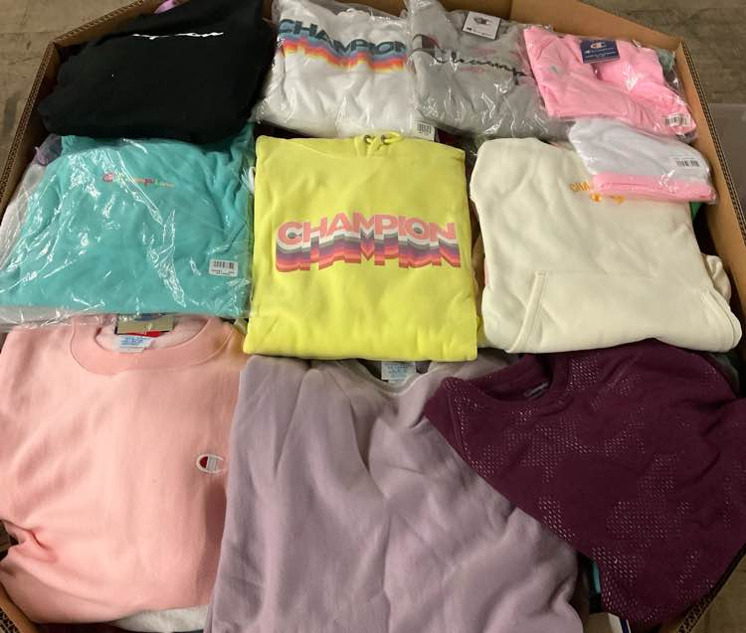
Pallet # 14. Sleepwear | Adult, Other, Pants, Tank Tops, Shirts, Shorts | Champion | 400 | 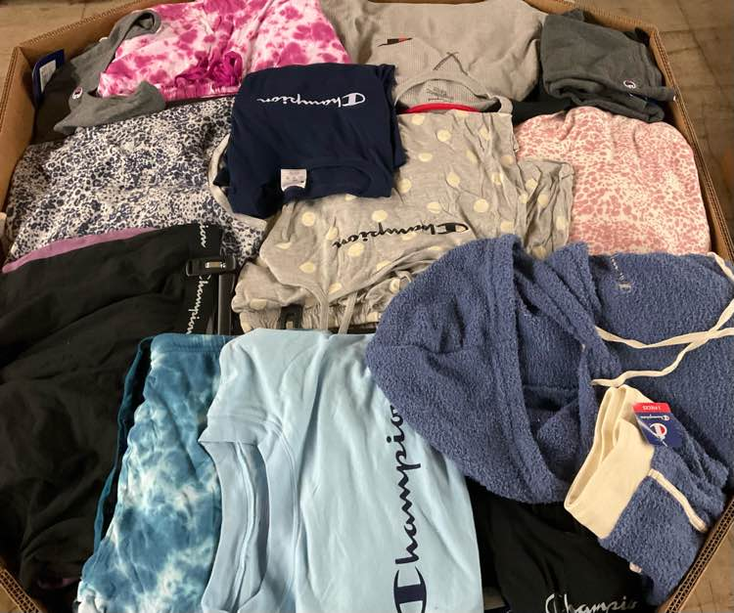
Pallet # 15 Adult | Hoodies, Sweat Shirts/Pants | Champion | 200 | 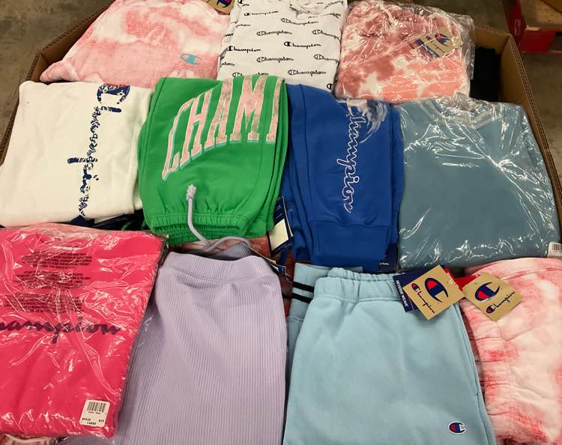
Pallet # 16 | Hoodies, Sweat Shirts/Pants | Champion | 200 | 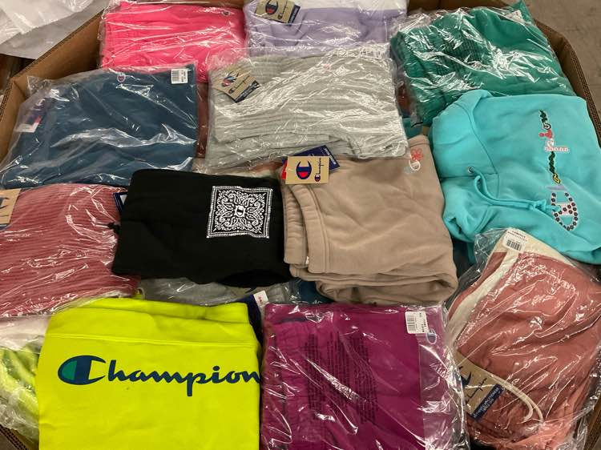
Pallet #17 | Sweats | Champion | 165 | 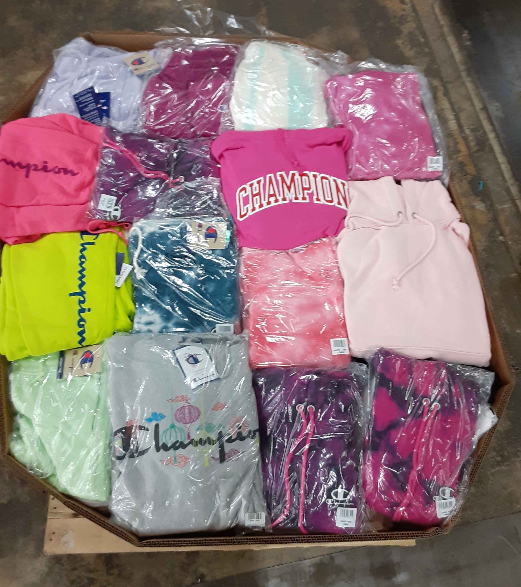
Pallet # 19. Adult | Hoodies, Sweat Shirts/Pants | Champion | 170 | 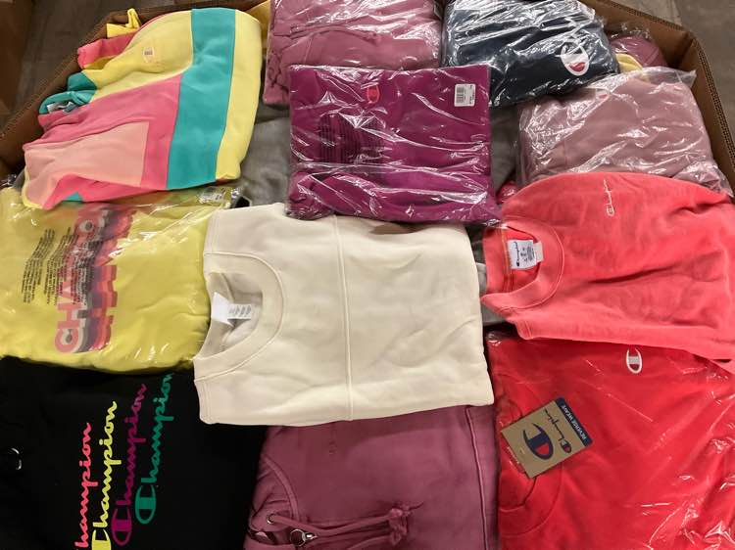
Pallet # 20 Adult | Hoodies, Sweat Shirts/Pants | Champion | 240 | 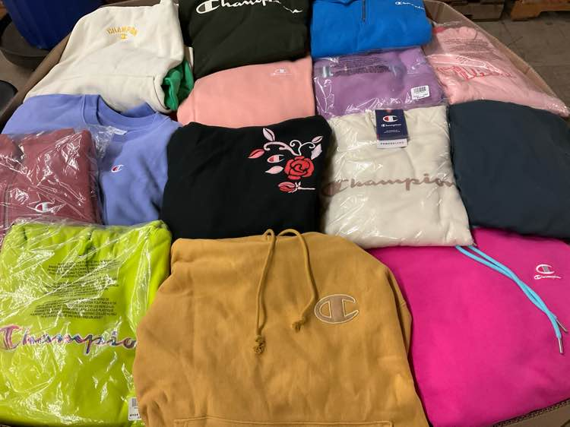
Pallet # 21 Adult | Hoodies, Sweat Shirts/Pants | Champion | 170 | 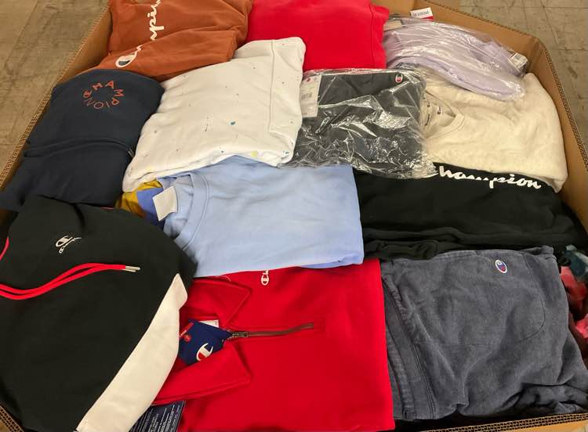
Pallet # 22 Adult and Youth | Hoodies, Other, Sweat Shirts/Pants | Champion | 220 | 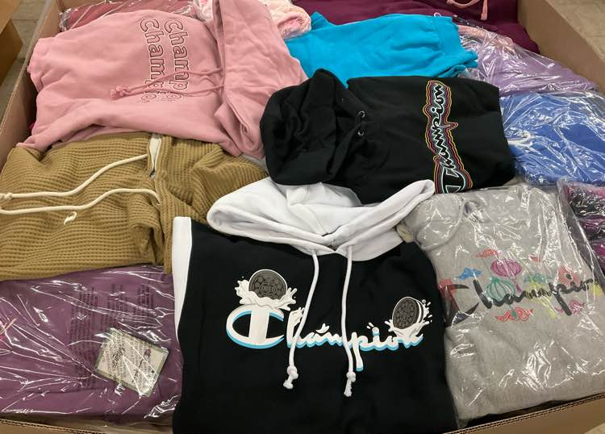
Pallet # 25. Adult and Youth | Hoodies, Other, Sweat Shirts/Pants | Champion | 230 | 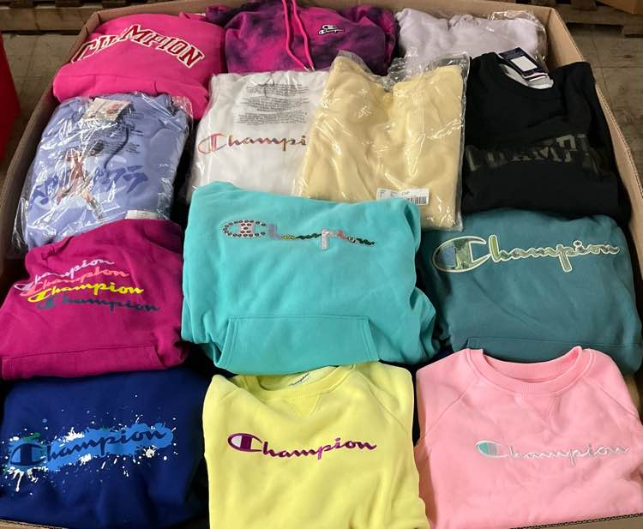
Pallet # 27 Adult | Thermals , Tank Tops, Shirts, Shorts, T-Shirts | Champion | 600 | 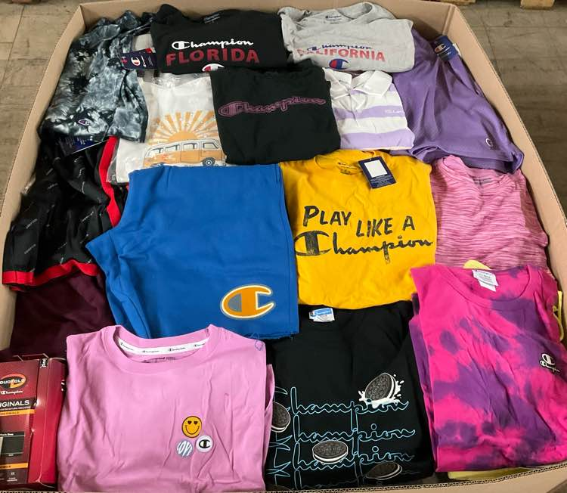
Pallet # 28 Adult | Hoodies, Thermals, Sweat Shirts/Pants | Champion | 170 | 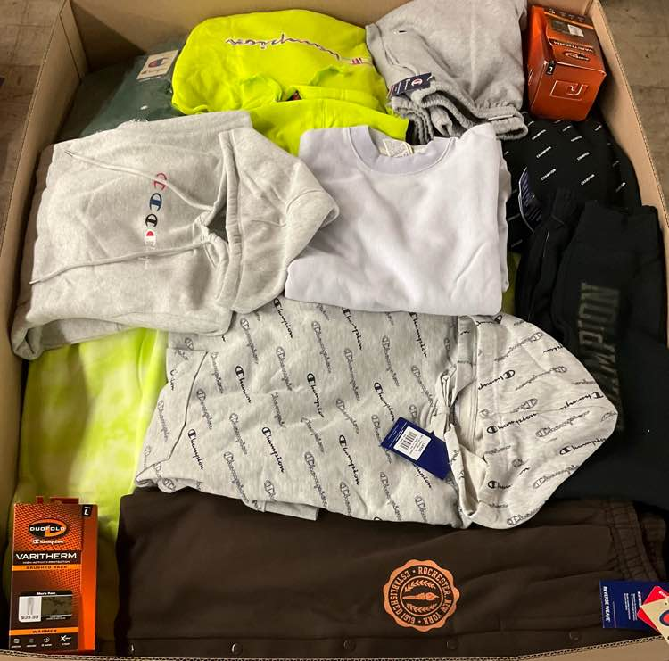
Pallet # 26 Adult | Hoodies, Thermals , Sweat Shirts/Pants | Champion | 170 | 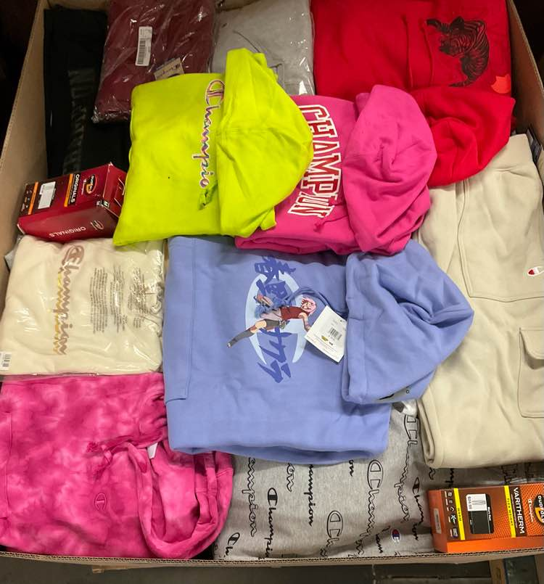
Pallet # 29 Adult & Youth | Coats, Jackets, Vests | Champion | 268 | 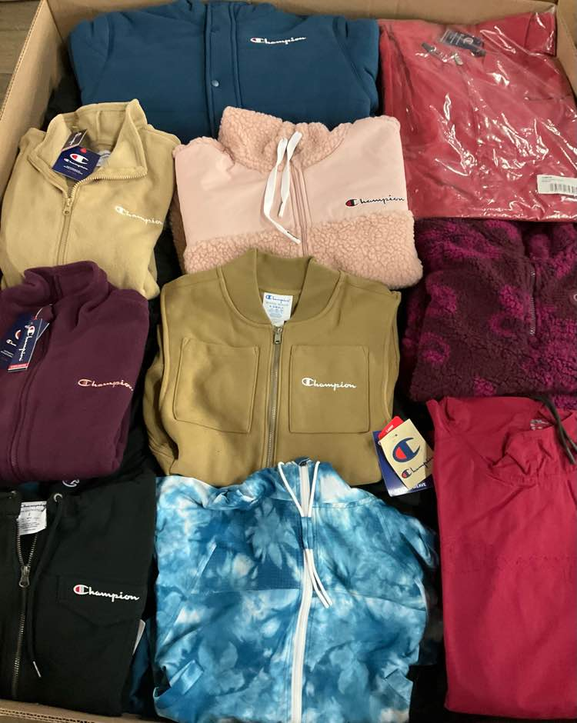
 |  |  | 5,183

